Campo de juego
 |  |  |  |  |  |  |  |  | px | n
 |  |  |  |  |  |  | Alto | 600 | 66.666666667 | 9
 |  |  |  |  |  |  | Ancho | 960 | 68.571428571 | 14
 |  |  |  |  |  |  | Ancho2 | 850 | 60.714285714 | 14 | 55 |  |  |  |  | CP_1.Game1.listaCasas.Add(new Casas2(0, new Vector2(0, 0), 67, 124, 'v', new Point(0, 0), new Vector2(1, -4), 'c'));

 |  |  |  |  |  |  | -6.1111111111
id | bruto | redondeado |  | Pos | Alto | ancho bruto | Ancho | posicion |  | tipo |  | arranque |  |  | horientacion
0 | 0 | 0 | 0 | new Vector2(0, 0), | 67 | 123.57142857 | 124 | 0 | 0 | v | new Point(0, 0), | 1 | -4 | new Vector2(1, -4), | c | CP_1.Game1.listaCasas.Add(new Casas2(0, new Vector2(0, 0), 67, 124, 'v', new Point(0, 0), new Vector2(1, -4), 'c')); |  | 0 | 41 | 40 | 39 | 38 | 37 | 36 | 35 | 34 | 33 | 32 | 31 | 30 | 29
1 | 66.666666667 | 0 | 67 | new Vector2(0, 67), | 67 | 117.46031746 | 117 | 0 | 1 | v | new Point(0, 1), | 1 | -4 | new Vector2(1, -4), | s | CP_1.Game1.listaCasas.Add(new Casas2(1, new Vector2(0, 67), 67, 117, 'v', new Point(0, 1), new Vector2(1, -4), 's')); |  | 1 |  |  |  |  |  |  |  |  |  |  |  |  | 28
1 | 133.33333333 | 0 | 133 | new Vector2(0, 133), | 67 | 111.34920635 | 111 | 0 | 2 | v | new Point(0, 2), | 1 | -4 | new Vector2(1, -4), | c | CP_1.Game1.listaCasas.Add(new Casas2(1, new Vector2(0, 133), 67, 111, 'v', new Point(0, 2), new Vector2(1, -4), 'c')); |  | 2 |  |  |  |  |  |  |  |  |  |  |  |  | 27
2 | 200 | 0 | 200 | new Vector2(0, 200), | 67 | 105.23809524 | 105 | 0 | 3 | v | new Point(0, 3), | 1 | -4 | new Vector2(1, -4), | c | CP_1.Game1.listaCasas.Add(new Casas2(2, new Vector2(0, 200), 67, 105, 'v', new Point(0, 3), new Vector2(1, -4), 'c')); |  | 3 |  |  |  |  |  |  |  |  |  |  |  |  | 26
2 | 266.66666667 | 0 | 267 | new Vector2(0, 267), | 67 | 99.126984127 | 99 | 0 | 4 | v | new Point(0, 4), | 1 | 4 | new Vector2(1, 4), | c | CP_1.Game1.listaCasas.Add(new Casas2(2, new Vector2(0, 267), 67, 99, 'v', new Point(0, 4), new Vector2(1, 4), 'c')); |  | 4 |  |  |  |  |  |  |  |  |  |  |  |  | 25
3 | 333.33333333 | 0 | 333 | new Vector2(0, 333), | 67 | 93.015873016 | 93 | 0 | 5 | v | new Point(0, 5), | 1 | 4 | new Vector2(1, 4), | c | CP_1.Game1.listaCasas.Add(new Casas2(3, new Vector2(0, 333), 67, 93, 'v', new Point(0, 5), new Vector2(1, 4), 'c')); |  | 5 |  |  |  |  |  |  |  |  |  |  |  |  | 24
3 | 400 | 0 | 400 | new Vector2(0, 400), | 67 | 86.904761905 | 87 | 0 | 6 | v | new Point(0, 6), | 1 | 4 | new Vector2(1, 4), | c | CP_1.Game1.listaCasas.Add(new Casas2(3, new Vector2(0, 400), 67, 87, 'v', new Point(0, 6), new Vector2(1, 4), 'c')); |  | 6 |  |  |  |  |  |  |  |  |  |  |  |  | 23
4 | 466.66666667 | 0 | 467 | new Vector2(0, 467), | 67 | 80.793650794 | 81 | 0 | 7 | v | new Point(0, 7), | 1 | 4 | new Vector2(1, 4), | s | CP_1.Game1.listaCasas.Add(new Casas2(4, new Vector2(0, 467), 67, 81, 'v', new Point(0, 7), new Vector2(1, 4), 's')); |  | 7 |  |  |  |  |  |  |  |  |  |  |  |  | 22
4 | 533.33333333 | 0 | 533 | new Vector2(0, 533), | 67 | 68.571428571 | 69 | 0 | 8 | v | new Point(0, 8), | 1 | 4 | new Vector2(1, 4), | c | CP_1.Game1.listaCasas.Add(new Casas2(4, new Vector2(0, 533), 67, 69, 'v', new Point(0, 8), new Vector2(1, 4), 'c')); |  | 8 | 9 | 10 | 11 | 12 | 13 | 14 | 15 | 16 | 17 | 18 | 19 | 20 | 21

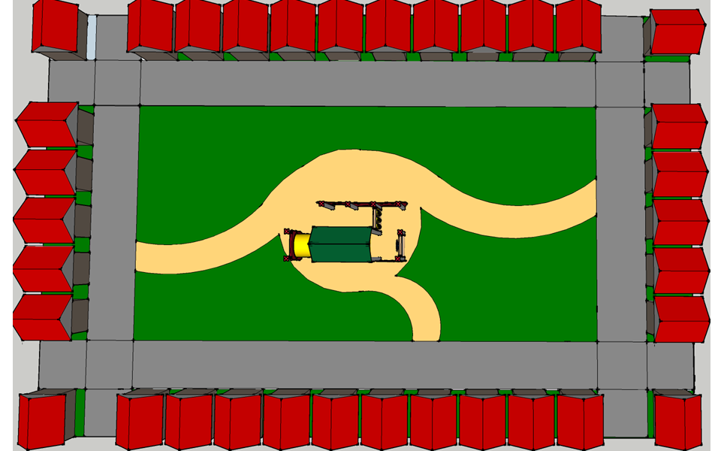

 |  |  |  |  |  |  |  |  |  |  |  |  |  |  |  |  | posicion | 0 | 1 | 2 | 3 | 4 | 5 | 6 | 7 | 8 | 9 | 10 | 11 | 12 | 13
 |  |  |  |  |  |  |  |  |  |  |  |  |  |  |  |  | bruto | 0 | 68.571428571 | 137.14285714 | 205.71428571 | 274.28571429 | 342.85714286 | 411.42857143 | 480 | 548.57142857 | 617.14285714 | 685.71428571 | 754.28571429 | 822.85714286 | 891.42857143
 |  |  |  |  |  |  |  |  |  |  |  |  |  |  |  |  | redondeado | 0 | 69 | 137 | 206 | 274 | 343 | 411 | 480 | 549 | 617 | 686 | 754 | 823 | 891
 |  |  |  |  |  |  |  |  |  |  |  |  |  |  |  |  | alto | 67 | 67 | 67 | 67 | 67 | 67 | 67 | 67 | 67 | 67 | 67 | 67 | 67 | 67
 |  |  |  |  |  |  |  |  |  |  |  |  |  |  |  |  | ancho | 69 | 69 | 69 | 69 | 69 | 69 | 69 | 69 | 69 | 69 | 69 | 69 | 69 | 69

